Nevados XP Sorted
 | 
 | Style | Festure | Color | Prepack | Size | Units In Case | Pairs

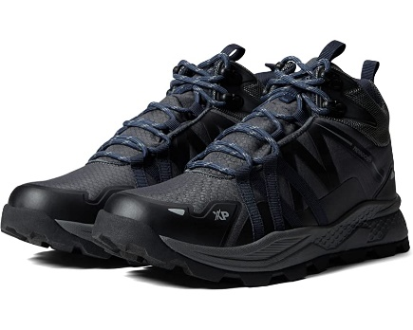 | CAYENXTM | WATERPROOF | CASTLEROCK | 1(8 M) 1(8.5 M) 2(9 M) 1(9.5 M) 2(10 M) 2(10.5 M) 1(11 M) 1(12 M) 1(13 M) | PPK | 12 | 684

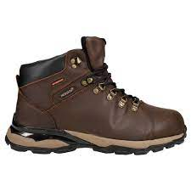 | CUZCO | WATERPROOF | CHOCOLATE BROWN | 1(8 M) 1(8.5 M) 2(9 M) 1(9.5 M) 2(10 M) 2(10.5 M) 1(11 M) 1(12 M) 1(13 M) | PPK | 12 | 492

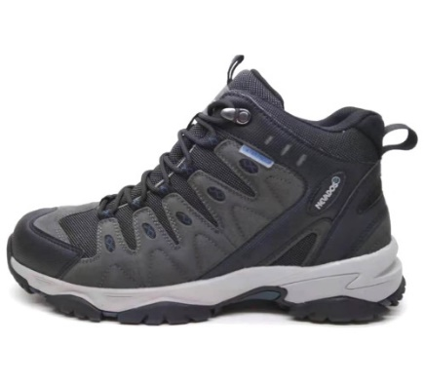
 | HARRIMAN | WATERPROOF | CHARCOAL | 1(8 M) 1(8.5 M) 2(9 M) 1(9.5 M) 2(10 M) 2(10.5 M) 1(11 M) 1(12 M) 1(13 M) | PPK | 12 | 36
 | HARRIMAN | WATERPROOF | CHARCOAL |  | 8 | 6 | 6
 | HARRIMAN | WATERPROOF | CHARCOAL |  | 8.5 | 6 | 6
 | HARRIMAN | WATERPROOF | CHARCOAL |  | 9 | 6 | 12
 | HARRIMAN | WATERPROOF | CHARCOAL |  | 9.5 | 6 | 12
 | HARRIMAN | WATERPROOF | CHARCOAL |  | 10 | 6 | 18
 | HARRIMAN | WATERPROOF | CHARCOAL |  | 10.5 | 6 | 12
 | HARRIMAN | WATERPROOF | CHARCOAL |  | 11 | 6 | 18
 | HARRIMAN | WATERPROOF | CHARCOAL |  | 12 | 6 | 6
 | HARRIMAN | WATERPROOF | CHARCOAL |  | 13 | 6 | 6
 |  |  |  |  |  |  | 132

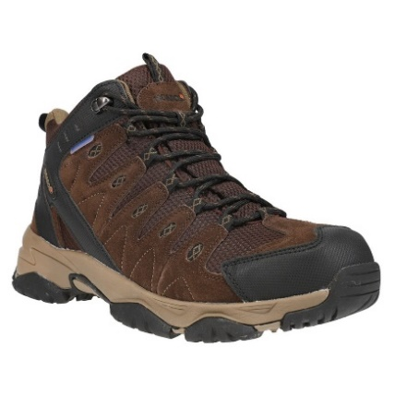
 | HARRIMAN | WATERPROOF | CHOCOLATE BROWN | 1(8 M) 1(8.5 M) 2(9 M) 1(9.5 M) 2(10 M) 2(10.5 M) 1(11 M) 1(12 M) 1(13 M) | PPK | 12 | 384
 | HARRIMAN | WATERPROOF | CHOCOLATE BROWN |  | 8 | 6 | 6
 | HARRIMAN | WATERPROOF | CHOCOLATE BROWN |  | 8.5 | 6 | 6
 | HARRIMAN | WATERPROOF | CHOCOLATE BROWN |  | 9 | 6 | 12
 | HARRIMAN | WATERPROOF | CHOCOLATE BROWN |  | 9.5 | 6 | 12
 | HARRIMAN | WATERPROOF | CHOCOLATE BROWN |  | 10 | 6 | 18
 | HARRIMAN | WATERPROOF | CHOCOLATE BROWN |  | 10.5 | 6 | 12
 | HARRIMAN | WATERPROOF | CHOCOLATE BROWN |  | 11 | 6 | 18
 | HARRIMAN | WATERPROOF | CHOCOLATE BROWN |  | 12 | 6 | 6
 | HARRIMAN | WATERPROOF | CHOCOLATE BROWN |  | 12 | 6 | 6
 |  |  |  |  |  |  | 480

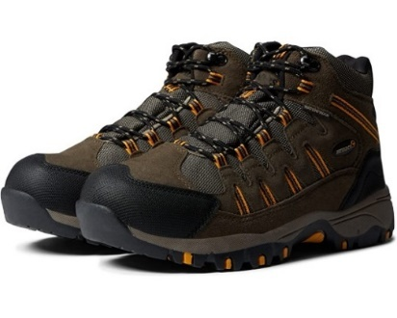
 | MORESO | WATERPROOF | BUNGEE CORD | 1(8 M) 1(8.5 M) 2(9 M) 1(9.5 M) 2(10 M) 2(10.5 M) 1(11 M) 1(12 M) 1(13 M) | PPK | 12 | 1,608
 | MORESO | WATERPROOF | BUNGEE CORD |  | 8 | 6 | 12
 | MORESO | WATERPROOF | BUNGEE CORD |  | 8.5 | 6 | 12
 | MORESO | WATERPROOF | BUNGEE CORD |  | 9 | 6 | 6
 | MORESO | WATERPROOF | BUNGEE CORD |  | 9.5 | 6 | 12
 | MORESO | WATERPROOF | BUNGEE CORD |  | 10 | 6 | 24
 | MORESO | WATERPROOF | BUNGEE CORD |  | 10.5 | 6 | 24
 | MORESO | WATERPROOF | BUNGEE CORD |  | 11 | 6 | 24
 | MORESO | WATERPROOF | BUNGEE CORD |  | 12 | 6 | 12
 | MORESO | WATERPROOF | BUNGEE CORD |  | 13 | 6 | 12
 |  |  |  |  |  |  | 1,746

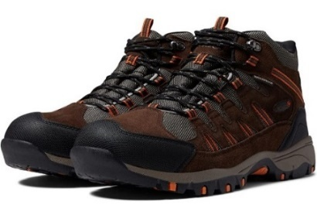
 | MORESO | WATERPROOF | CHOCOLATE/BURNT ORANGE | 1(8.5 M) 1(9 M) 1(9.5 M) 2(10 M) 2(10.5 M) 2(11 M) 1(11.5 M) 1(12 M) 1(13 M) | PPK | 12 | 732
 | MORESO | WATERPROOF | CHOCOLATE/BURNT ORANGE | 1(8 M) 1(8.5 M) 2(9 M) 1(9.5 M) 2(10 M) 2(10.5 M) 1(11 M) 1(12 M) 1(13 M) | PPK | 12 | 408
 | MORESO | WATERPROOF | CHOCOLATE/BURNT ORANGE |  | 8 | 6 | 12
 | MORESO | WATERPROOF | CHOCOLATE/BURNT ORANGE |  | 8.5 | 6 | 20
 | MORESO | WATERPROOF | CHOCOLATE/BURNT ORANGE |  | 9 | 0 | 20
 | MORESO | WATERPROOF | CHOCOLATE/BURNT ORANGE |  | 9.5 | 0 | 24
 | MORESO | WATERPROOF | CHOCOLATE/BURNT ORANGE |  | 10 | 6 | 26
 | MORESO | WATERPROOF | CHOCOLATE/BURNT ORANGE |  | 10.5 | 6 | 42
 | MORESO | WATERPROOF | CHOCOLATE/BURNT ORANGE |  | 11 | 0 | 81
 | MORESO | WATERPROOF | CHOCOLATE/BURNT ORANGE |  | 11.5 | 0 | 39
 | MORESO | WATERPROOF | CHOCOLATE/BURNT ORANGE |  | 12 | 0 | 24
 | MORESO | WATERPROOF | CHOCOLATE/BURNT ORANGE |  | 13 | 0 | 24
 |  |  |  |  |  |  | 1,452

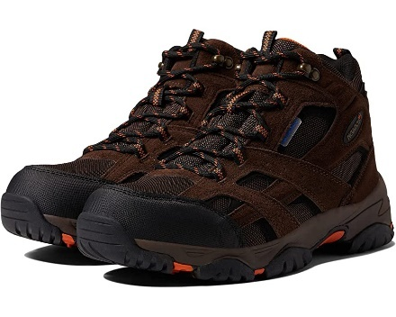 | RUBICON | WATERPROOF | CHOCOLATE/BURNT ORANGE | 1(8 M) 1(8.5 M) 2(9 M) 1(9.5 M) 2(10 M) 2(10.5 M) 1(11 M) 1(12 M) 1(13 M) | PPK | 12 | 252

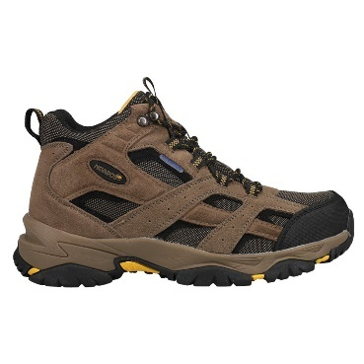 | RUBICON | WATERPROOF | CHOCOLATE BROWN | 1(8 M) 1(8.5 M) 2(9 M) 1(9.5 M) 2(10 M) 2(10.5 M) 1(11 M) 1(12 M) 1(13 M) | PPK | 12 | 1,572

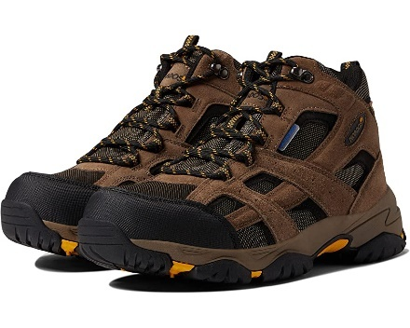 | RUBICON | WATERPROOF | BUNGEE CORD | 1(8 M) 1(8.5 M) 2(9 M) 1(9.5 M) 2(10 M) 2(10.5 M) 1(11 M) 1(12 M) 1(13 M) | PPK | 12 | 852

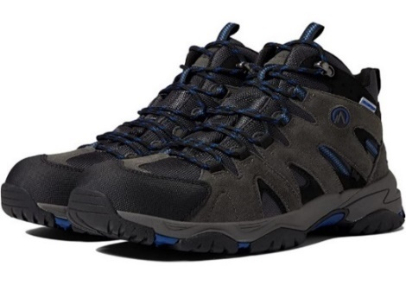
 | YUMAMID | WATERPROOF | CASTLEROCK | 1(8 M) 1(8.5 M) 2(9 M) 1(9.5 M) 2(10 M) 2(10.5 M) 1(11 M) 1(12 M) 1(13 M) | PPK | 12 | 996
 | YUMAMID | WATERPROOF | CASTLEROCK |  | 8 | 6 | 12
 | YUMAMID | WATERPROOF | CASTLEROCK |  | 8.5 | 6 | 12
 | YUMAMID | WATERPROOF | CASTLEROCK |  | 9 | 6 | 12
 | YUMAMID | WATERPROOF | CASTLEROCK |  | 9.5 | 6 | 12
 | YUMAMID | WATERPROOF | CASTLEROCK |  | 10 | 6 | 18
 | YUMAMID | WATERPROOF | CASTLEROCK |  | 10.5 | 6 | 18
 | YUMAMID | WATERPROOF | CASTLEROCK |  | 11 | 6 | 18
 | YUMAMID | WATERPROOF | CASTLEROCK |  | 12 | 6 | 12
 | YUMAMID | WATERPROOF | CASTLEROCK |  | 13 | 6 | 12
 |  |  |  |  |  |  | 1,122

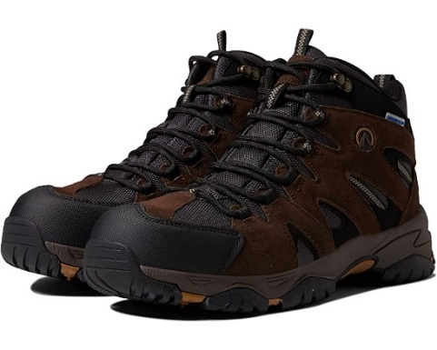
 | YUMAMID | WATERPROOF | CHOCOLATE BROWN | 1(8 M) 1(8.5 M) 2(9 M) 1(9.5 M) 2(10 M) 2(10.5 M) 1(11 M) 1(12 M) 1(13 M) | PPK | 12 | 792
 | YUMAMID | WATERPROOF | CHOCOLATE BROWN |  | 8 | 6 | 12
 | YUMAMID | WATERPROOF | CHOCOLATE BROWN |  | 8.5 | 6 | 12
 | YUMAMID | WATERPROOF | CHOCOLATE BROWN |  | 9 | 6 | 12
 | YUMAMID | WATERPROOF | CHOCOLATE BROWN |  | 9.5 | 6 | 12
 | YUMAMID | WATERPROOF | CHOCOLATE BROWN |  | 10 | 6 | 18
 | YUMAMID | WATERPROOF | CHOCOLATE BROWN |  | 10.5 | 6 | 18
 | YUMAMID | WATERPROOF | CHOCOLATE BROWN |  | 11 | 6 | 18
 | YUMAMID | WATERPROOF | CHOCOLATE BROWN |  | 12 | 6 | 12
 | YUMAMID | WATERPROOF | CHOCOLATE BROWN |  | 13 | 6 | 12
 |  |  |  |  |  |  | 918

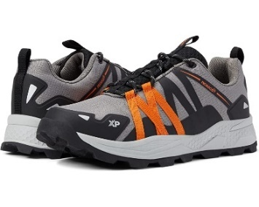 | CAYENXTL | WATERPROOF | CHARCOAL GREY/ BURNT ORANGE | 1(8 M) 1(8.5 M) 2(9 M) 1(9.5 M) 2(10 M) 2(10.5 M) 1(11 M) 1(12 M) 1(13 M) | PPK | 12 | 804 | -

 |  |  |  | Total Pairs |  |  | 10506

